Language
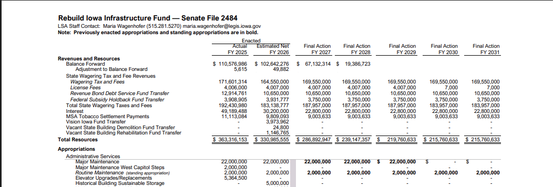
Approp 838, until expended - IA Code 8A.330.2

